Instruction&CostMax (READ)
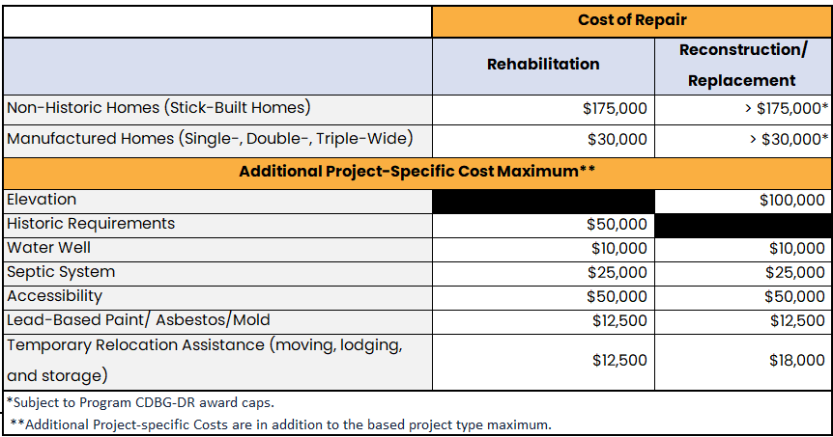
Instructions
Pricing must be all inclusive and must include bond, insurance and local jurisdiction permit fees.
Cells formatted in this color are editable for your responses throughout the workbook.
Please use text and numeric-based responses, please do NOT use special characters like emojis.
Please do not change the structure of any of the worksheets. Changing the structure will invalidate your submission.
If there is an error in the sheet or formula, please submit an email help ticket to BetterFutureRFP@iem-fl.com.
Please do not save this file in a different format. Saving this file in a different format may invalidate your submission.
Please follow this instruction in the RFP for submission of budget/pricing information.
If you decide NOT to apply for a certain project activity (rehab, reconstruction, or demolition), check the "No" box at the top of form/tab.
Review the Summary tab after completing each applicable form to see notes on sections that may need review before submission. If [Yes] is selected on a pricing form indicating services are being proposed but no pricing information is included, the Summary chart will recommend a review. If pricing information is included in a price form but [No] is selected in response to the same question, the note recommending review will also appear.
If you have any questions regarding the content of this file, please submit an email help ticket to BetterFutureRFP@iem-fl.com.
All questions or help desk tickets must be received by the deadline for questions date in the RFP.

Cost Maximums
The Pasco County Individual Housing Program Guidelines establish the assistance maximums for all eligible IHP activities (see table below). Unit costs must be necessary, reasonable, allowable, and allocable, as defined in 2 CFR Part 200 Subpart E. This policy ensures compliance with Section 312 of the Stafford Act, HUD DOB Guidance (FR-6136-N-01). The Program(s) will make use of Xactimate’s Pricing Lists as the main source for pricing of construction works to be performed. Xactimate is an industry standard cost estimating software program.

